Review Comments

 | Monthly Financial Analysis
 | Review Comments

Property: | COCONUT GROVE RETAIL XIII, LLC

Month: | FOR THE MONTH 07/31/2026

Books | Accrual / Cash

1.

2.

3.

4.

5.

6.

7.

8.

9.

20650
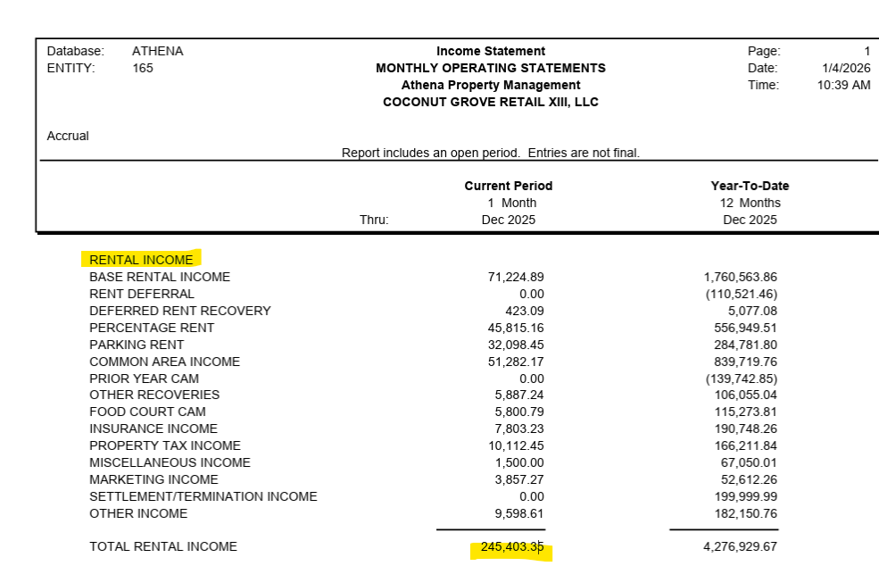
PORTER RANCH RETAIL II, INC.
ACCRUE OPERATING EXPENSE-20650
FOR THE MONTH ENDED 01/31/26
 |  |  |  |  |  |  |  | 053294

GL Code | GL Desc. | Exp Type | Actual Trend | Accrl Svc | Vendor | Amount Accrued | Description of Work | Notes

51160-000000 | SECURITY | Contract |  | 12/25 |  | $7,500.00 | ACCRUE 12/25 SECURITY

57130-000000 | FOOD COURT-SECURITY | Contract |  | 12/25 |  | $1,865.58 | ACCRUE 12/25 FOOD COURT-SECURITY

20650-000000 | ACCRUE OPERATING EXPENSES |  |  |  |  | $9,365.57

 |  |  |  |  | 20650-000000 | $9,365.57 |  | Water
 |  |  |  |  | S/B zero | $- |  | Meter# | Acct# | GL
 |  |  |  |  |  |  |  |  | 5500873513 | 55140 | Water/CAM
 |  |  |  |  |  |  |  |  | 5500874513 | 55140 | Water/CAM
 |  |  |  |  |  |  |  |  | 8546278012 | 55140 | Water/CAM
 |  |  |  |  |  |  |  |  | 8546278910 | 55140 | Water/CAM
 |  |  |  |  | 381020.77 |  |  |  | 8546274910 | 55140 | Water/CAM
 |  |  |  |  |  |  |  |  | 8546276013 | 55140 | Water/CAM
 |  |  |  |  | 17145.93465 |  |  |  | 8546360013 | 55140 | Water/CAM

 |  |  |  |  |  |  |  | 0008036548 | 097-55008735-13 | 55150 | Fire Hydrent | 097-55008745-12 | old acct#
 |  |  |  |  |  |  |  | 0008041574 | 097-55008745-13 | 55150 | Fire Hydrent | 097-55008735-12 | old acct#

 |  |  |  |  |  |  |  |  | 854-62750034 | 55180 | Water/Sewer
 |  |  |  |  |  |  |  |  | 854-62760034 | 55180 | Water/Sewer
 |  |  |  |  |  |  |  |  | 854-62790034 | 55180 | Water/Sewer

 |  |  |  |  |  |  |  | Electric
 |  |  |  |  |  |  |  | Meter# | Acct# | GL

 |  |  |  |  |  |  |  | mhx000141323 | 202011253806 | 55110
 |  |  |  |  |  |  |  | mhx000090356 | 202010554280 | 55110
 |  |  |  |  |  |  |  | mhx000137834 | 202014338760 | 55110
 |  |  |  |  |  |  |  | mhx000139327 | 202014338802 | 55110
 |  |  |  |  |  |  |  | mhx000134811 | 202011120534 | 55110
 |  |  |  |  |  |  |  | mhx000137526 | 202011287648 | 55110
 |  |  |  |  |  |  |  | mhx000132532 | 202011019009 | 55110

 |  |  |  |  |  |  |  |  | NEW ACCT'S

 |  |  |  |  |  |  |  | mhx000090356 | 201014742377 | x
 |  |  |  |  |  |  |  | mhx000141323 | 201014744019
 |  |  |  |  |  |  |  | mhx000134811 | 201014744704 | x
 |  |  |  |  |  |  |  | mhx000132532 | 201014744977
 |  |  |  |  |  |  |  | mhx000139327 | 201014745941
 |  |  |  |  |  |  |  | mhx000137834 | 201014746048
 |  |  |  |  |  |  |  | mhx000137526 | 201014743508 | x

 |  |  |  |  |  |  |  | SAMPLE:

